Calculations Etc
Aircraft shares by cargo type
 | 2017 | 2018 | 2019 | 2020 | 2021 | 2022 | 2023 | 2024 | 2025 | 2026 | 2027 | 2028 | 2029 | 2030 | 2031 | 2032 | 2033 | 2034 | 2035 | 2036 | 2037 | 2038 | 2039 | 2040 | 2041 | 2042 | 2043 | 2044 | 2045 | 2046 | 2047 | 2048 | 2049 | 2050
share of active aircraft that are passenger aircraft | 0.94173171087 | 0.94414233209 | 0.94621119984 | 0.9481228705 | 0.95001809584 | 0.95183116479 | 0.95335927592 | 0.95619065604 | 0.95753432786 | 0.95858134698 | 0.9594516582 | 0.96120594372 | 0.96190865084 | 0.96254675335 | 0.96332377068 | 0.96405512559 | 0.96460753135 | 0.96524830999 | 0.96585748559 | 0.96644539745 | 0.9670193842 | 0.96777900277 | 0.96841768877 | 0.96901921716 | 0.96932424829 | 0.96978350294 | 0.97007138793 | 0.97053613888 | 0.9707098269 | 0.97110788936 | 0.9711835769 | 0.97132011134 | 0.97145745137 | 0.97154920342
share of active aircraft that are cargo aircraft | 0.058268289128 | 0.05585766791 | 0.053788800158 | 0.051877129499 | 0.049981904164 | 0.048168835207 | 0.046640724077 | 0.043809343964 | 0.042465672137 | 0.041418653021 | 0.0405483418 | 0.038794056277 | 0.038091349161 | 0.037453246652 | 0.036676229319 | 0.035944874413 | 0.035392468649 | 0.03475169001 | 0.034142514409 | 0.033554602551 | 0.032980615799 | 0.032220997233 | 0.031582311227 | 0.030980782842 | 0.030675751714 | 0.030216497057 | 0.029928612068 | 0.029463861125 | 0.029290173098 | 0.028892110635 | 0.028816423095 | 0.028679888662 | 0.028542548628 | 0.028450796577

Ratios of New Vehicle Fuel Economy to Fleet Average Fuel Economy
 | 2017 | 2018 | 2019 | 2020 | 2021 | 2022 | 2023 | 2024 | 2025 | 2026 | 2027 | 2028 | 2029 | 2030 | 2031 | 2032 | 2033 | 2034 | 2035 | 2036 | 2037 | 2038 | 2039 | 2040 | 2041 | 2042 | 2043 | 2044 | 2045 | 2046 | 2047 | 2048 | 2049 | 2050
aircraft | 1.062427829 | 1.0713394959 | 1.0692204442 | 1.0654125001 | 1.0706248783 | 1.0755981799 | 1.0805194154 | 1.0851364038 | 1.0809244925 | 1.0912886501 | 1.1012083611 | 1.1104534944 | 1.1191971641 | 1.1131215758 | 1.112258396 | 1.1112897746 | 1.1100637159 | 1.1092193352 | 1.1035768853 | 1.1037579934 | 1.1039392404 | 1.1044166481 | 1.1051164242 | 1.1057639808 | 1.1012713132 | 1.097265547 | 1.0935317282 | 1.0898785441 | 1.0868312184 | 1.0835794128 | 1.0807349585 | 1.078441664 | 1.0761362271 | 1.07430531
freight HDVs (US Values) | 1.0633951945

Perc Reduction in Fuel Use for Electricity |  |  | Source:
LDVs and motorbikes | 0.686 |  | For sources and calculations, see the variable trans/PTFURfE.
HDVs | 0.689

Perc of Electricity Use for Plug-In Hybrid Vehicles |  |  | Source:
electricity share | 0.55 |  | For source, see the variable trans/BPoEFUbVT.

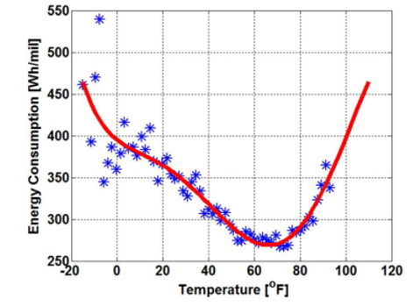
BEV Efficiency Adjustment for Temperature
Riyadh Average temperature (Celcius) | 25.408333333
Riyadh Average temperature (Fahrenheit) | 77.735
Lowest Energy Consumption on Curve (BTU/passenger-mile) | 503.80590604
Riyadh Average Energy Consumption (BTU/passenger-mile) | 549.60644295

Riyadh Monthly Temperatures
January | 14.3
February | 16.8
March | 21.4
April | 25.7
May | 31.1
June | 33.6
July | 34.7
August | 32.6
September | 31.8
October | 26.6
November | 20.6
December | 15.7

Vehicle Loadings (in people or freight tons / vehicle) |  |  | Source:
passenger LDVs | 1.49 |  | For sources and calculations, see the variable AVLo.
freight LDVs | 0.66
passenger HDVs | 13.4
freight HDVs | 14.3
passenger rail | 48.7

BTU per Gallon Liquid Fuels |  |  | Source:
gasoline | 120476 |  | EIA | Energy Explained: Units and Calculators
diesel | 137452 |  | 2017 | https://www.eia.gov/energyexplained/index.cfm/index.cfm?page=about_energy_units

Hydrogen vs. Gasoline Efficiency |  |  | Source:
gasoline car efficiency | 20% |  | U.S. Department of Energy Hydrogen Program
hydrogen FCV efficiency | 50% |  | See "About" tab for full bibliographic details.
distance multiplier for hydrogen vehicles | 2.5

Propane (LPG) vs. Gasoline Efficiency |  |  | Source:
reduction in efficiency for propane | 22.5% |  | https://www.sustainablebusinesstoolkit.com/lpg-vs-petrol-vehicles/
distance multiplier for propane vehicles | 0.775 |  | https://afdc.energy.gov/vehicles/propane.html

LDVs
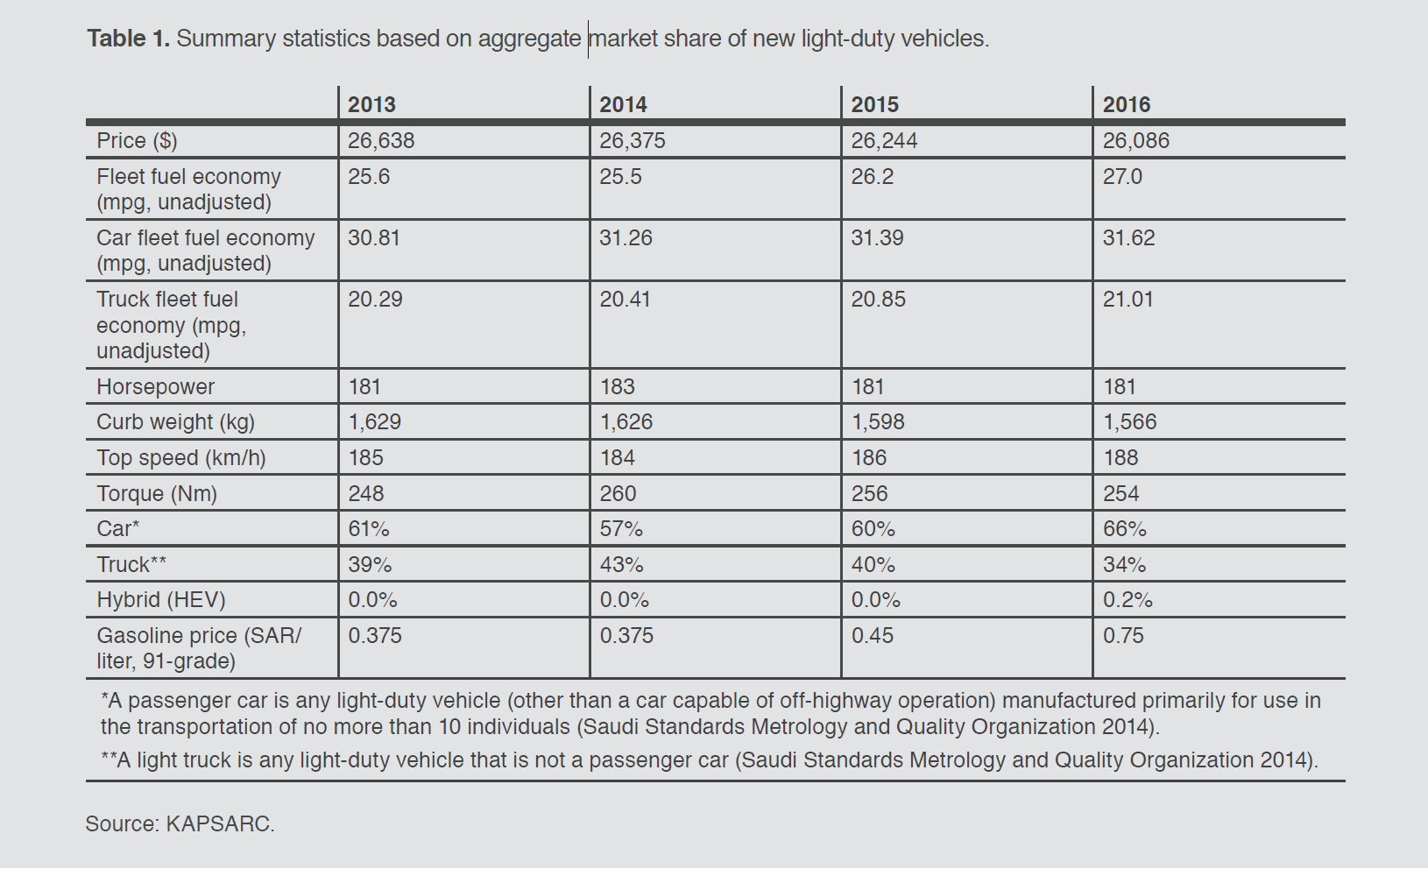
 | 2013 | 2014 | 2015 | 2016 | 2017
mpg | 25.6 | 25.5 | 26.2 | 27 | 27.3
passenger-miles/BTU | 3.17E-04 | 3.16E-04 | 3.24E-04 | 3.34E-04 | 3.38E-04

Perc Reduction in Fuel Use for Electricity |  |  | Source:
LDVs and motorbikes | 0.686 |  | For sources and calculations, see the variable trans/PTFURfE.
HDVs | 0.689

Perc of Electricity Use for Plug-In Hybrid Vehicles |  |  | Source:
electricity share | 0.55 |  | For source, see the variable trans/BPoEFUbVT.

BEV Efficiency Adjustment for Temperature
Riyadh Average temperature (Celcius) | 25.408333333 |  | For the source, see the variable trans/BNVFE
Riyadh Average temperature (Fahrenheit) | 77.735
Lowest Energy Consumption on Curve (BTU/passenger-mile) | 503.80590604
Riyadh Average Energy Consumption (BTU/passenger-mile) | 549.60644295

Riyadh Monthly Temperatures
January | 14.3
February | 16.8
March | 21.4
April | 25.7
May | 31.1
June | 33.6
July | 34.7
August | 32.6
September | 31.8
October | 26.6
November | 20.6
December | 15.7

